Form
Current Period |  |  |  |  | 2023 - 09
Current Soft Period

Last Updated By

 | Property |  |  |  |  |  |  |  |  |  | Undo Reason
 | Dept
 | Period |  |  |  |  |  |  |  |  |  | Process Message |  |  |  |  |  |  |  |  |  |  | Reason Mandatory
 | Inv Date |  |  |  |  | Charge Type
 | Inv Group
 | Tenant

 |  | Invoice No |  | Dept Code |  | Dept Name |  |  |  | Tenant Id |  | Tenant Name |  |  | Seq No | Type | Service Type |  | ID | Name | Amount

 |  |  | PMT_TRANS_HD |  |  |  | yg generate_mode nya tidak kosong |  |  |  |  |  |  |  |  |  |  | PMT_TRANS_PD

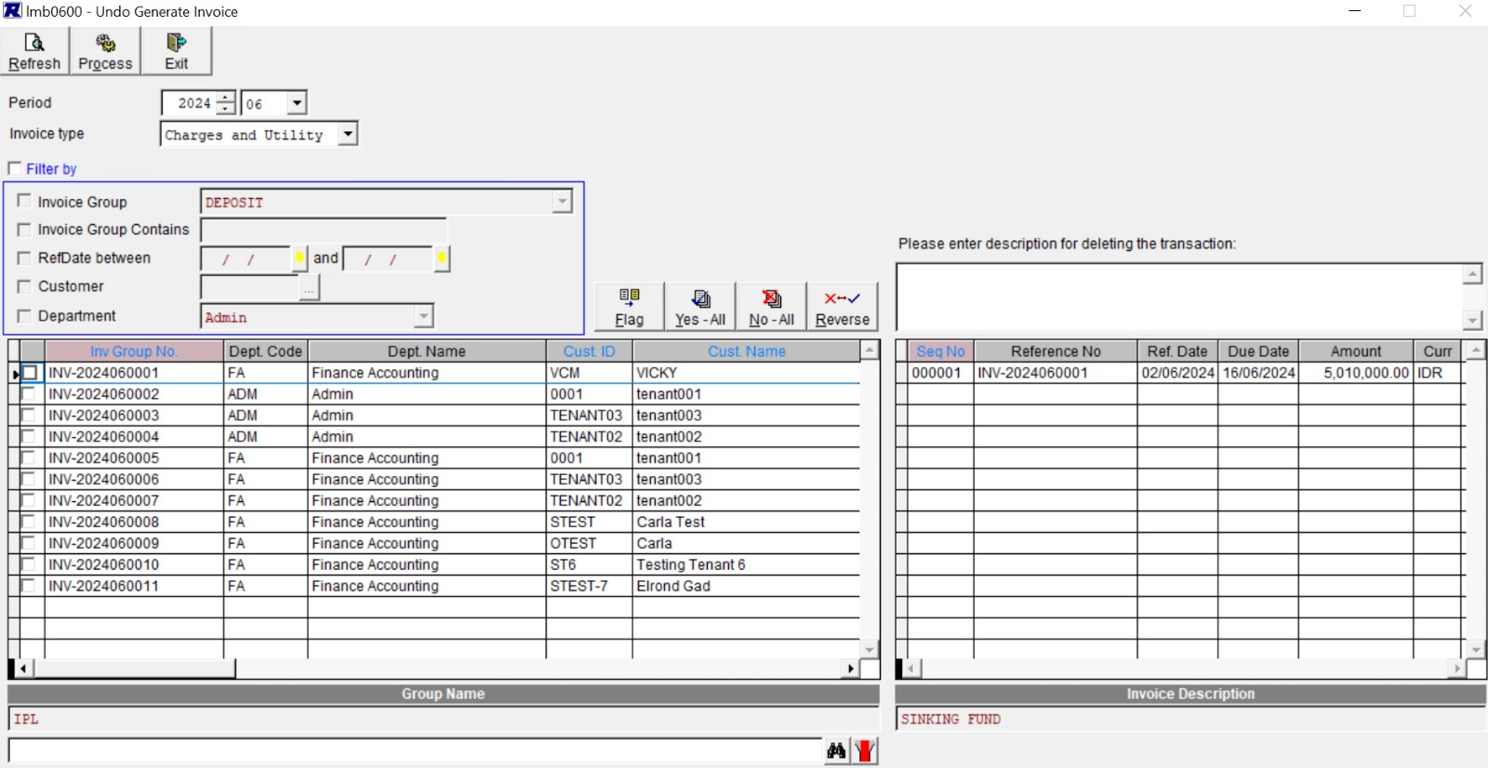

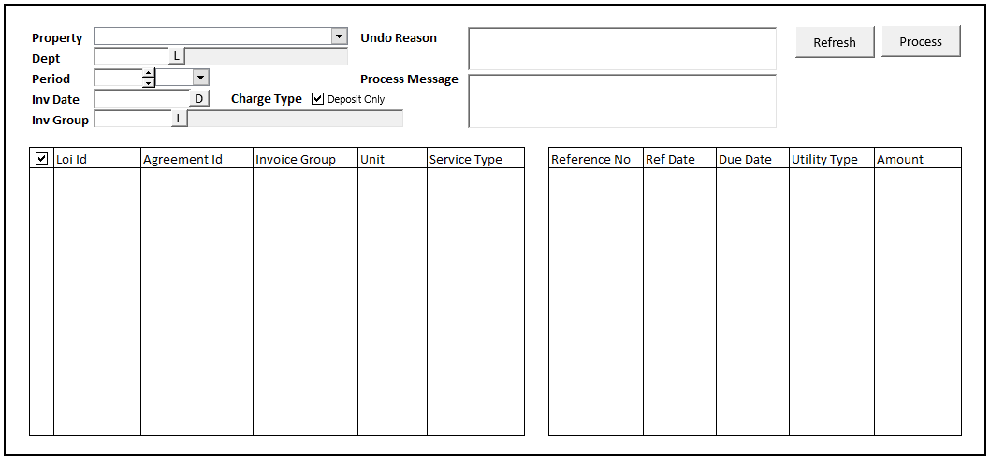

 |  |  |  | Property
 |  |  |  | Report Type

 |  |  |  |  | Output to |  | : | o | Screen
 |  |  |  |  |  |  |  | o | Printer |  |  |  |  | V

 |  |  |  | Property
 |  |  |  | Report Type

 |  |  |  |  |  |  |  |  |  |  |  |  | To
 |  |  |  |  |  |  |  |  |  |  |  |  | To
 |  |  |  |  |  | cust |  |  |  |  |  |  | To
 |  |  |  |  |  |  |  |  |  |  |  |  | To

 |  |  |  |  | Output to |  | : | o | Screen
 |  |  |  |  |  |  |  | o | Printer |  |  |  |  | V

